Calculations - SpringReDesigned
Parameter | Symbol | Value | Unit |  | Secondary Parameters | Symbol | Value | Unit
Spring Length | Lb | 4.20E-04 | m |  | Number of Holes | n | 1.10E+02 | NA
Spring Width | Wb | 2.00E-06 | m |  | Size of Hole - Square Side | Lp | 4.00E-06 | m
Proof Mass Length | Lm | 4.48E-04 | m |  | Volume of one Hole | Vp | 3.20E-17 | m^3
Proof Mass Width | Wm | 2.00E-04 | m
Sensing Fingers | Ns | 42 |  |  | Spring | Finger
Driving Fingers | Nd | 12
Spring Constant | K |  | N/m
Capacitance Gap | d | 1.00E-06 | m |  | Air viscosity | mu | 1.8100E-05 | P.a.s
Anchor Size |  | 17*17 | um^2 |  | Finger overalp | L | 1.00E-02 | m
Length of Fingers | Lf | 1.40E-04 | m |  | Finger thickness | h | 2.00E-06 | m
Width of Fingers | Wf | 4.00E-06 | m |  | Area overlap | A | 2.28E-10 | m2
Acceleration due to gravity | g | 9.8 | m/s^2
Device Thickness | h | 2.00E-06 | m |  | Temperature | T | 300 | K
 |  |  |  |  | Boltzmann constant | Kb | 1.380649E-23 | J/K
Young's Modulus | E | 1.70E+11 | Pa |  | Effective Viscosity of Air | neff | 0.0000178
Density of Si | De | 2329 | Kg/m^3 |  | permittivity of free space | e | 8.85418782E-12 | m-3 kg-1 s4 A2
Acceleration on earth | g | 9.81 | ms-2
Spring Constant | K |  |  |  | 1g
 | 2.5465E-01 | N/m |  | x | 1.5630E-08 |  | xcomsol
Mass of Perforated proof Mass with electrodes | M |  |  | F = Ma | 5.3902E-09
(Lm*Wm*h-n*Vp+(Ns+Nd)*Lf*Wf*h)*De | 5.5002E-10 | Kg |  | k | 3.4486E-01 | N/m
Resonance Frequency | ωr |  | delC | 2Cxd/d^2-x^2 | 2.65E-15
Sqrt(K/M) | 2.1517E+04 | Hz |  | mV/g | 1.20E-12
Damping Coefficient | 1.5400E-05 |  | 10um
Nf*neff*Lb*(h/d)^3 From Simulation | 3.2296E-06
Quality Factor | Q |  |  |  | increase xa => decrease k =>
Sqrt(M*K)/D | 7.6849E-01
Sensitivity | S
S = displacement/acceleration = M/K | 2.1599E-09 | s^2
Delta X / g | 2.1189E-08 | m/g
Brownian Noise | 1.4480E-06
B = mu * Lh^3/d^3
capacitance | C
eA/d * 42 | 8.48E-14 | F | beacuse there are 54 fingers | No we have 42 sense finger where capacitance matters
Displacement | x | m | Actual Displacement needs to found out, then only C values will be correct | this is actual displacement
Fapplied/K = M*a/k | 1.563E-08 | m
Fapplied = 1e-6
Cleft | 1.07E-13 | F |  |  |  |  | Wed, 17, 2024
eA*54/(d+x)
Cright | 1.11E-13 | F | vout |  | Mapping mesh (distribution) - Spring | 1 | Customized Mesh Analysis | in comsol | Ashutosh
eA*54/(d-x) |  |  | 7.82E-02 | V/g |  | 2 | Eigen Frequency Diagnosis | in comsol | Vaigun
ChangeInCapacitance | 3.41E-15 | F |  |  |  | 3 | Stiffness, Eigen Feq - Analytical vs Comsol | Comsol | Nabeel
Cleft-Cright |  |  |  |  |  | 4 | Pull-in Voltages (Sweep) - Difference of applied vs External Potential
Sensitivity (Capacitance change due to acceleration a ) | 4.2731E-17 | F/g | increase mass or decrease k |  |  | 5 | Layout for Report - Documentation | LateX
dC/da = eAm/(d^2*K)
Pull-in Voltage | 6.1135E+00 | V | 1um
((8/27)*k*(d)^3/(e*A))^0.5 | 7.1145E+00 | V | 2.5mV
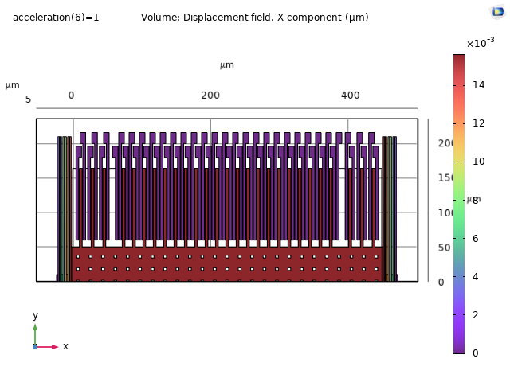
 |  |  | 5nm for 4g | 0.66um
rmsVelocity
(kb*T/M)^0.5 | 2.7442E-06

Noise spectral density

Voltage v/s a | F = eAV*V/2g*g)
Brownian Noise | 2.1461008027E-08
I
ab^3/12 | 1.07E-23
K2 | 9.57E+00
knetfrom2 = K2/2*2 | 9.57E+00
k1 | 1.91E-08
1/knet = 2/k1 + 1/k2 | 1.05E+08
knet | 9.54E-09

Sensitivity (Capacitanc )
2EpAx/d^2 | 4.62E-15

 |  |  |  |  | Mass | 5.5002E-10
 |  |  |  |  | a | 9.81 |  | Spring Constant Calculation

 |  |  |  |  | E | 1.70E+11 |  | L1 | 1.990000E-04
 |  |  |  |  | L | 4.20E-04 |  | L2 | 1.590000E-04
 |  |  |  |  | W | 2.00E-06 |  | Pi^4/6 | 1.626100E+01
 |  |  |  |  | h | 2.00E-06
 |  |  |  |  |  |  |  | K1 | 3.507818E-01 | Nm-1
 |  |  |  |  |  |  |  | K2 | 4.645892E-01 |  | 3.5971E-01
 |  |  |  |  | k for simple guided beak - K | 3.67E-02 | N/m | Keff | 1.273238E-01
 |  |  |  |  |  |  |  | KT | 2.546476E-01
 |  |  |  |  | The single unit K' - 0.8K | 2.94E-02
 |  |  |  |  | Six such springs in series - K'/6 | 4.90E-03 |  | d for g | 2.118874E-08 |  | 15 nm/g | COMSOL
 |  |  |  |  |  |  |  |  |  |  |  | Analytically

 |  |  |  |  | K/3
 |  |  |  |  |  | 1.22E-02 |  |  | 1.050632E-01

 |  |  |  |  | 2.7K | 9.91E-02

 |  |  |  |  |  |  | Brownian Noise | 2.1461008027E-08

 |  |  |  |  |  |  | KB | 1.38E-23 | J/K
 |  |  |  |  |  |  | T | 298 | K
 |  |  |  |  |  |  | D | 1.54E-05 | Ns/m
 |  |  |  |  |  |  | M | 5.5002E-10 | Kg

